MT v RTU
Multi-Task Waste Reduction Calculator
Reduce Waste |  | See how much you can reduce solid waste by eliminating RTU products.
Save Money |  | Compare the cost of Multi-Task Concentrates to Ready to Use (RTU) products.
No. | Product Name | RTU Quarts per 2 Liter | Purchase Price | RTU COST per quart | No. of 2 Liter Bottles/Year | Replace this many RTU | Cubic feet of Waste
007DC | Double O Seven Daily Cleaning Dilution | 272 | $40.00 | $0.15 | 0 | 0 | 0.0
007HD | Double O Seven Heavy Dilution | 44 | $40.00 | $0.91 | 0 | 0 | 0.0
2 | Multi-Shine | 88 | $40.00 | $0.45 | 0 | 0 | 0.0
3 | Eliminator 3 | 36 | $40.00 | $1.11 | 0 | 0 | 0.0
4 | Foamy MAC | 36 | $40.00 | $1.11 | 0 | 0 | 0.0
6 | Blue Blazes | 272 | $40.00 | $0.15 | 0 | 0 | 0.0
7 | Magico | 544 | $40.00 | $0.07 | 0 | 0 | 0.0
18 | Tri-Fecta | 136 | $40.00 | $0.29 | 0 | 0 | 0.0
64 | Millennium Q | 136 | $40.00 | $0.29 | 0 | 0 | 0.0
70 | Tough Green | 272 | $40.00 | $0.15 | 0 | 0 | 0.0
256 | Century Q 256 | 544 | $40.00 | $0.07 | 0 | 0 | 0.0

Multi-Task Estimated Annual Cost |  |  |  |  | $0
Ready to use Product Annual Cost |  |  |  |  | Annual Cost | Total Bottles Used | Empty Bottle Waste in cubic ft.
 |  |  |  |  | $0 | 0 | 0.0
Continue below to see a summary waste reduction and cost savings

Waste Reduction and Cost Savings Summary

Specially Prepared For: |  |  |  | Multi-Clean Distributor:
Organization: |  |  |  | Sales Representative:
Date: |  |  |  | Contact Information:

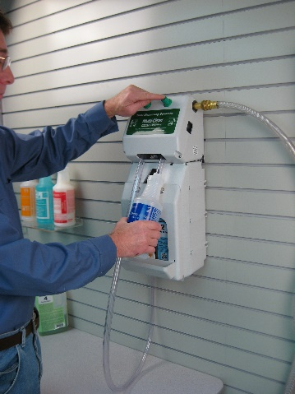
The summary below will show how the Multi-Task Dilution Control System can dramatically reduce the excessive waste associated with the purchase of ready to use convenience products. The system uses your own water to precisely blend high performance cleaning products. The system's intuitive design makes it simple to operate. Training and compliance are made easier with multi-lingual color and number coded labeling.

Total Multi-Task 2 L Concentrates |  |  | 0 | Bottles | Multi-Task Concentrates are mixed with water to produce powerful cleaners.

Replaces this many RTU bottles |  |  | 0 | Containers | This is how many containers that will be removed from the solid waste stream.

Total Waste reduction in Cu. Ft |  |  | 0.0 | Cu. Ft | This is the estimated volume of waste reduced by eliminating RTU products.

Savings with Multi-Task |  |  | $0 | per year | This is estimated savings by using your own water and Multi-Task concentrates.

